Information
Curriculum Assessment and Review Document (CARD): Phase A

We have adopted the concepts of Knowing, Doing, Being and Becoming (Craig, 2018) as a way to articulate the complex process of integrating theory and practice. This underpins our curriculum structure of taught sessions (professional, academic and subject elements) and school practicums, as outlined in the framework below.

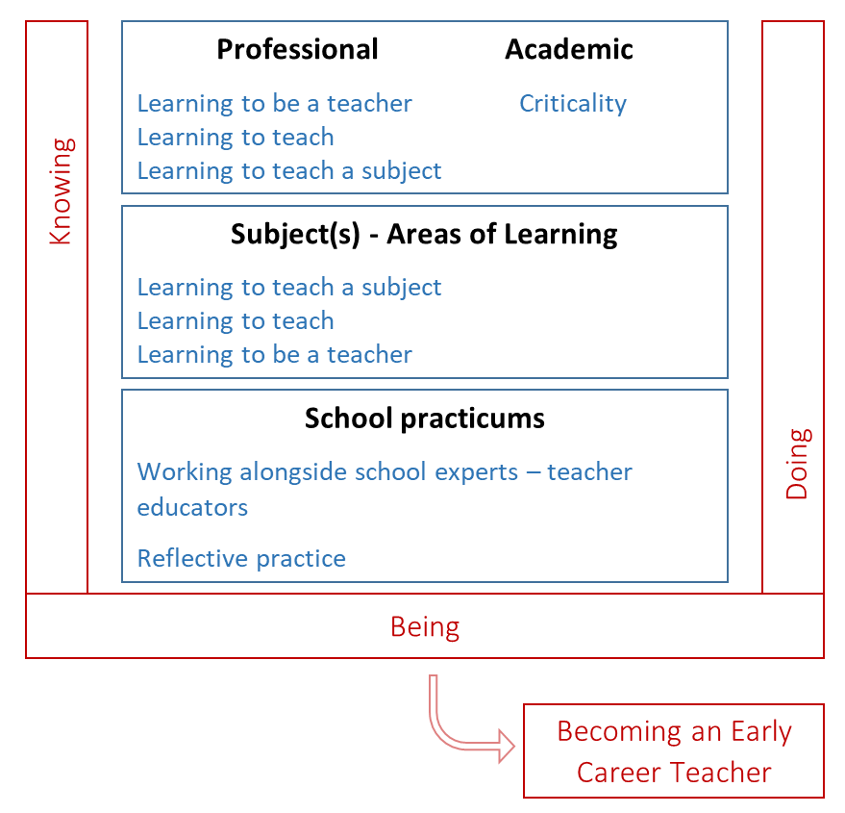

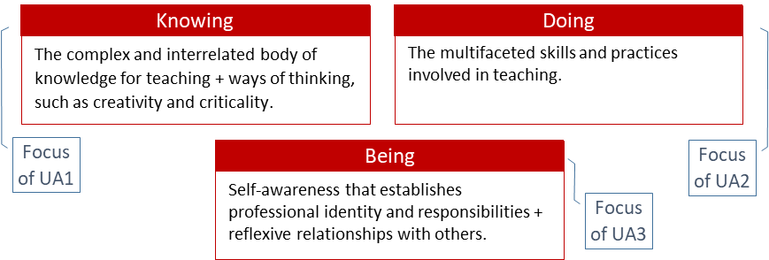

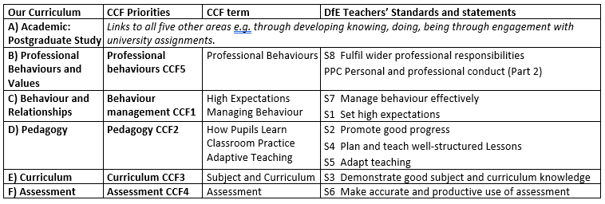
Our Curriculum: Relationship to the Core Content Framework (CCF) and the Teachers’ Standards
The CCF is the government specified minimum curriculum entitlement; it is embedded throughout the course.

The CCF is structured into five areas¸ and is related to the Teachers’ Standards (S1-8 plus PCC) as per the table; our curriculum, outlined in this document, adopts the same overall structure. Student teachers are assessed against the Teachers’ Standards at the end of the course; this document, CARD A, provides the curriculum statements against which their progress is formatively and summatively assessed during phase A.

Phase A Practicum – Setting the Foundations
Prior to 2021, professional judgments about student teachers’ progress has been made against the Teachers’ Standards. You have used your professional expertise to make judgments through the lens of your subject, and in relation to the progress expected for trainee teachers and the context in which they are working. We will be drawing on your professional expertise to make these same judgments against our curriculum, as summarised here in CARD A. The statements are what student teacher should ‘look like’ at the end of phase A, rather than the end of the course.

Curriculum Structure: Overview Phase A Practicum – Setting the Foundations
The table below outlines the overall structure of the curriculum. It contains the 5 areas related to the CCF structure plus the Academic: Postgraduate Study area. The Themes and Focus provide the headlines for the curriculum for phase A; further details of the curriculum will be discussed at the Teacher Educator Development meeting, and supporting documentation will be available on Blackboard.

The Knowing and Doing provide the highlights of this ‘Setting the Foundation’ phase, and are expanded on each of the tabs. More of the Knowing benchmark statements are orange, and will be assessed through university assessments. We are asking you to focus on the green boxes, which are mainly but not exclusively the Doing statements; we appreciate there is much interdependency. (Section, (A) Academic: Postgraduate Study, relates to academic assignments - assessed by university tutors).

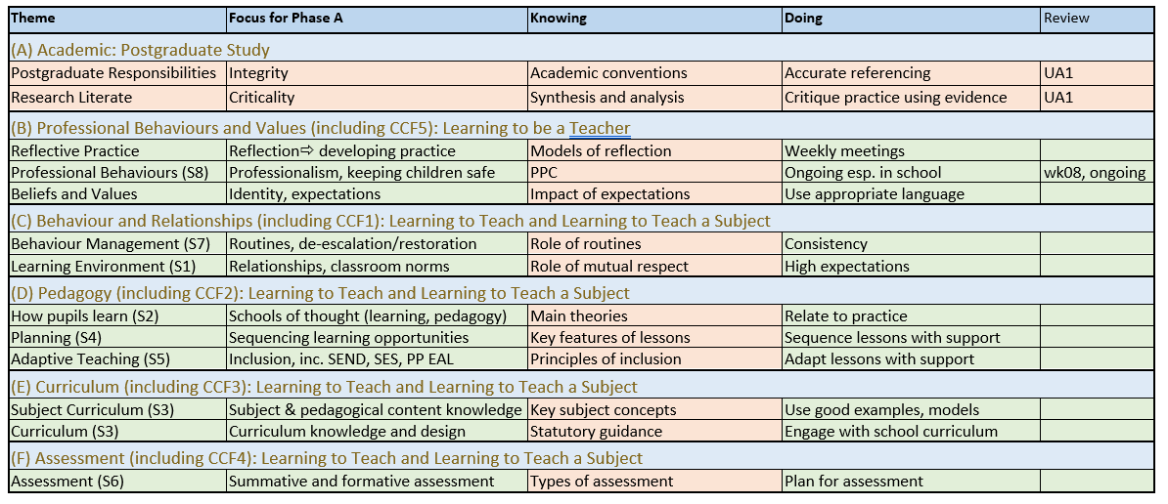

(A) Academic: Postgraduate Study
This section is assessed by university tutors and is here for reference.
Theme | Focus | Knowing (knowledge, skills and understanding) | Doing | Review Points
Postgraduate Responsibilities | Course Engagement A1 | How the PGCE & QTS relate | Engage with all elements, inc. student reflections | Tutorials
 | Academic Integrity (plagiarism) A2 | Academic conventions and protocols | Reference accurately, represent people fairly | UA1
Academic Reading and Writing | Criticality A3 | Demonstrate synthesis and analysis from a critical stance. | Critique practice using evidence | UA1
 | Critical Reading A4 | Identify sources, interrogate evidence; consider substance & relevance of sources | Draw on academic reading to inform and interrogate classroom practice. | UA1; (Talkthrus, focussed observations, reflections)
 | Critical Writing A5 | Demonstrate synthesis and analysis, considering alternative perspectives | Draw on school experiences to inform academic writing, and for writing to inform practice. | UA1
Research Literate | Research in Education A6 | Aware of the role of research in education, appreciating the complexities inherent in understanding classrooms | Interrogate the links between theory and practice, and the implications of ‘evidence informed practice’ | UA1; (Talkthrus, focussed observations, reflections)
Reflexivity | Reflection and Beyond A7 | Understand that one’s own beliefs and what one ‘takes for granted’ influences research and professional development | Consider positionality as a practitioner and researcher, seeking to challenge own assumptions. | Reflections (inc. weekly meetings), UA1

